Sheet1
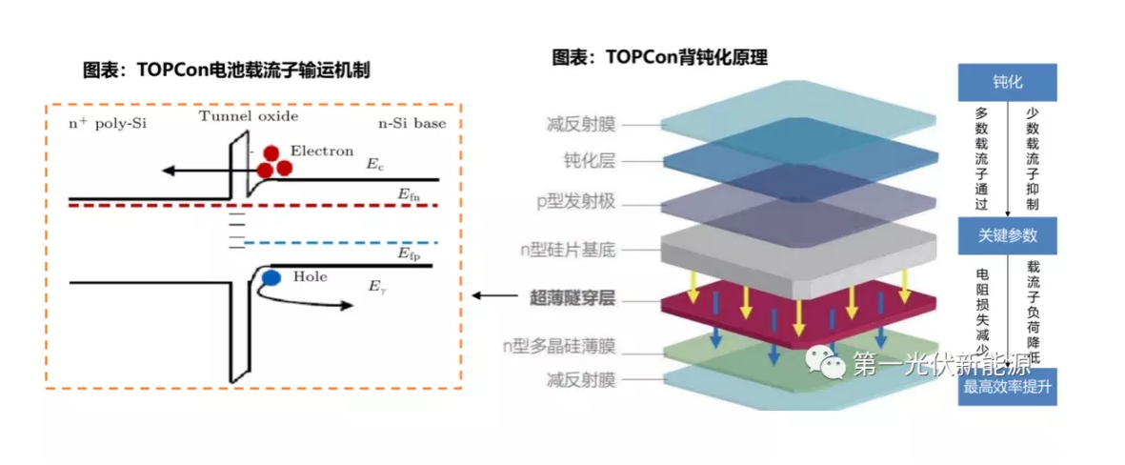
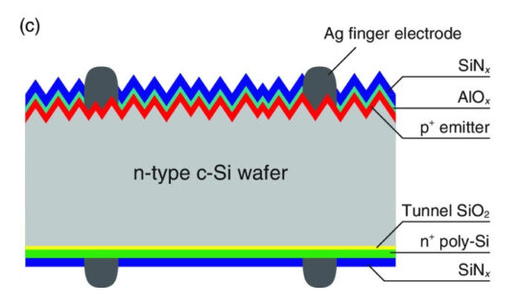
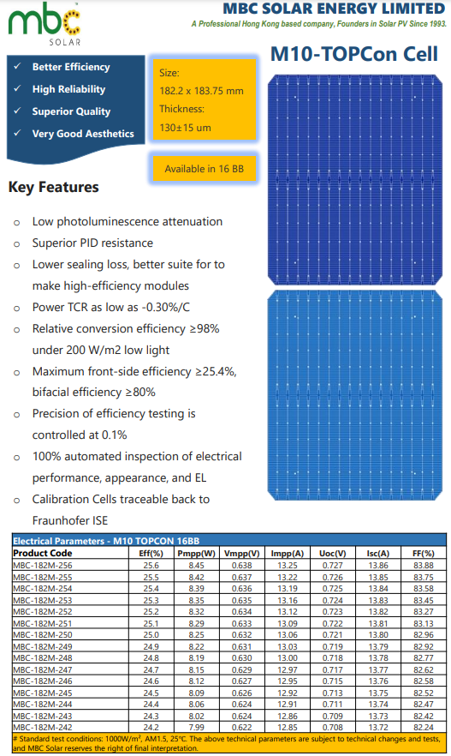
Paramètre | Valeur
Prix (USD/W) | 0.04
Puissance maximale (W) | 8.45
Longueur (mm) | 182.2
Largeur (mm) | 183.75 |  |  |  | Surface=Longueur×Largeur
Épaisseur (mm) | 0.13 |  |  |  | Volume=Surface×Epaisseur
Densité du silicium (mg/mm³) | 2.33 |  |  |  | Masse=Volume×Densite
Surface (mm²) | 33479.25 |  |  |  | Prix total=Prix par W×Puissance maximale
Volume (mm³) | 4352.3025 |  |  |  | Prix (USD/mg)=Prix total / Masse​
Masse (g) | 10.140864825
Prix Total (USD) | 0.338
Coefficient de conversion | 0.83326226568
Prix (USD/mg) | 0.033330490627

Layer | Material | Thickness (mm) | Density (mg/mm³) | Mass (mg) | Source
Anti-Reflective Coating (SiNx or AZO) | Silicon Nitride (SiNx) | 0.000075 | 3.44 | 8.6376465 | Sunrise Energy (https://www.sunriseenergy.cn/products/m10-cell/)
Passivation Layer (SiO₂ + Al₂O₃) | Silicon Oxide (SiO₂) | 0.00001 | 2.65 | 0.887200125 | Maysun Solar (https://www.maysunsolar.com/solar-cells-size-process-and-technology-explained/)
N-type Silicon Substrate | Silicon (Si) | 0.13 | 2.33 | 10140.864825 | Red Solar's (https://www.red-solar.com/products-info/Solar-Cell/M10-TOPCon-Cell.html)
Ultra-Thin Tunnel Oxide (SiO₂) | Silicon Oxide (SiO₂) | 0.0000012 | 2.65 | 0.106464015 | Ocean Solar (https://www.oceansolarcn.com/m10-mbb-n-type-topcon-132-half-cells-520w-535w-solar-module-product/)
N-type Polycrystalline Silicon (Poly-Si) | Silicon (Si) | 0.000015 | 2.33 | 1.1700997875 | Sunrise Energy (https://www.sunriseenergy.cn/products/m10-cell/)
Rear Anti-Reflective Coating (SiNx, AZO, ITO) | Silicon Nitride (SiNx) | 0.000075 | 3.44 | 8.6376465 | Sunrise Energy (https://www.sunriseenergy.cn/products/m10-cell/)
Rear Metal Contact (Ag) | Silver (Ag) | 0.073024712844 | 10.49 | 143.65 | AL-TOPCON-M10 Datasheet (https://www.enfsolar.com/pv/cell-datasheet/2947)
Aluminum (Al) (Metallization) | Various | 0.0007 | 2.7 | 63.2757825 | Ocean Solar (https://www.oceansolarcn.com/m10-mbb-n-type-topcon-132-half-cells-520w-535w-solar-module-product/)
Other Encapsulation Layers | Various | - | - | 226.36483943 | Rhofa Energy (https://rhofaenergy.com/144-TOP-CON-GLASS-GLASS-EN.pdf)

